Sheet1
T (K) | S (g/kg) | R | K*1 | k1 | k2 | pH range (7-12) from a multitude of studies summarized by Suttle et al. 2018 → | pH | [H+] | fdehydration | fdehydroxylation | δ13C/δ18O Slope (CO2 Degassing Only) | δ13C/δ18O Slope (CO2 Degassing Coupled to Carbonate Growth)
278.15 | 100 | 8.3144626182 | 5.08E-07 | 7.93E+03 | 8.50E-04 |  | 7.0 | 1.00E-07 | 0.48 | 0.52 | 2.30 | 1.70 | Note: These slopes are derived from the slopes for the different regimes at 25°C, however, as can be seen from Figure 4-9b from Guo et al., the relative fractionations are not significantly impacted by temperature, so the differences between these slopes and they should be at 40°C should be negligible. | “1) If CO2 degassing reactions (i.e., HCO3- dehydration and HCO3- dehydroxylation) are the only isotope fractionation processes that influence the isotopic composition of HCO3 - in aqueous solution, we predict for HCO3 - dehydration that every 1‰ kinetic increase in carbonate 18O/16O will be accompanied by an increase in carbonate 13C/12C of 3.26‰ [...] Similarly, for every 1 ‰ increase in carbonate d18O produced by HCO3 - dehydroxylation, carbonate 13C/12C will increase by 1.41‰" Guo et al., pp 200-203
 |  |  |  |  |  |  | 7.1 | 7.94E-08 | 0.43 | 0.57 | 2.20 | 1.63
^Our Data | ^Riciputi et al. 1994 | ^Gas Constant | ^As per notation of Guo et al.^ |  |  |  | 7.2 | 6.31E-08 | 0.37 | 0.63 | 2.10 | 1.56
(Median) | (Low End of S) |  | (Equilibrium Constants) |  |  |  | 7.3 | 5.01E-08 | 0.32 | 0.68 | 2.00 | 1.49
 |  |  |  |  |  |  | 7.4 | 3.98E-08 | 0.27 | 0.73 | 1.91 | 1.44
 |  |  |  |  |  |  | 7.5 | 3.16E-08 | 0.23 | 0.77 | 1.83 | 1.38
 |  |  |  |  |  |  | 7.6 | 2.51E-08 | 0.19 | 0.81 | 1.76 | 1.34
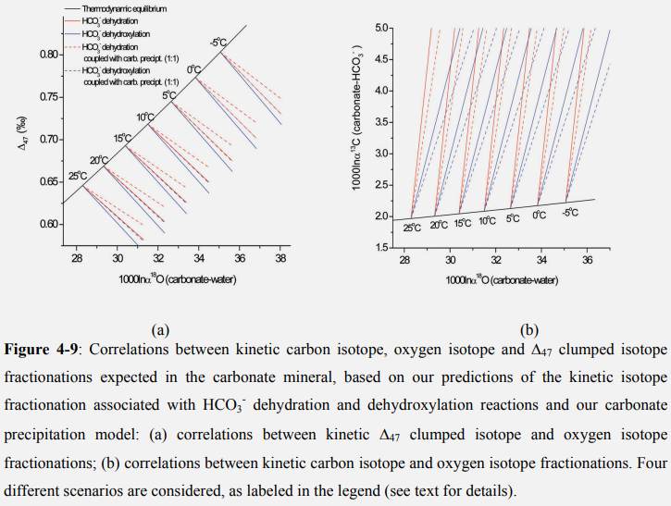
 |  |  |  |  |  |  | 7.7 | 2.00E-08 | 0.16 | 0.84 | 1.70 | 1.29
 |  |  |  |  |  |  | 7.8 | 1.58E-08 | 0.13 | 0.87 | 1.65 | 1.26
 |  |  |  |  |  |  | 7.9 | 1.26E-08 | 0.11 | 0.89 | 1.60 | 1.23 |  | “2) If the progress of CO2 degassing reactions are coupled to carbonate growth at a molar ratio of 1:1 (i.e., for every one CO2 molecule degassed from the solution, one formula unit of carbonate precipitates), then our model predicts for HCO3- dehydration that for every 1‰ kinetic increase in carbonate 18O/16O, carbonate 13C/12C will increase by 2.34‰ [...] And for HCO3- dehydroxylation, for every 1‰ kinetic increase in carbonate 18O/16O, carbonate 13C/12C will increase by 1.10‰" Guo et al., pg 203
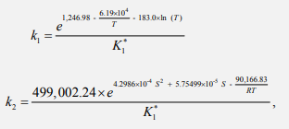
 |  |  |  |  |  |  | 8.0 | 1.00E-08 | 0.09 | 0.91 | 1.57 | 1.21

 |  |  |  |  |  |  | 8.1 | 7.94E-09 | 0.07 | 0.93 | 1.54 | 1.19
 |  |  |  |  |  |  | 8.2 | 6.31E-09 | 0.06 | 0.94 | 1.51 | 1.17
 |  |  |  |  |  |  | 8.3 | 5.01E-09 | 0.04 | 0.96 | 1.49 | 1.16
 |  |  |  |  |  |  | 8.4 | 3.98E-09 | 0.04 | 0.96 | 1.48 | 1.14
 |  |  |  |  |  |  | 8.5 | 3.16E-09 | 0.03 | 0.97 | 1.46 | 1.14
 |  |  |  |  |  |  | 8.6 | 2.51E-09 | 0.02 | 0.98 | 1.45 | 1.13
 |  |  |  |  |  |  | 8.7 | 2.00E-09 | 0.02 | 0.98 | 1.44 | 1.12
 |  |  |  |  |  |  | 8.8 | 1.58E-09 | 0.01 | 0.99 | 1.44 | 1.12
 |  |  |  |  |  |  | 8.9 | 1.26E-09 | 0.01 | 0.99 | 1.43 | 1.11
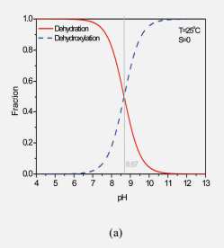
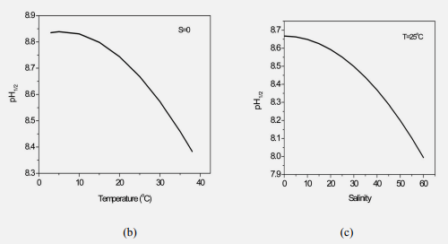
 |  |  |  |  |  |  | 9.0 | 1.00E-09 | 0.01 | 0.99 | 1.43 | 1.11
 |  |  |  |  |  |  | 9.1 | 7.94E-10 | 0.01 | 0.99 | 1.42 | 1.11
 |  |  |  |  |  |  | 9.2 | 6.31E-10 | 0.01 | 0.99 | 1.42 | 1.11
 |  |  |  |  |  |  | 9.3 | 5.01E-10 | 0.00 | 1.00 | 1.42 | 1.11
 |  |  |  |  |  |  | 9.4 | 3.98E-10 | 0.00 | 1.00 | 1.42 | 1.10
 |  |  |  |  |  |  | 9.5 | 3.16E-10 | 0.00 | 1.00 | 1.42 | 1.10
 |  |  |  |  |  |  | 9.6 | 2.51E-10 | 0.00 | 1.00 | 1.41 | 1.10
 |  |  |  |  |  |  | 9.7 | 2.00E-10 | 0.00 | 1.00 | 1.41 | 1.10
 |  |  |  |  |  |  | 9.8 | 1.58E-10 | 0.00 | 1.00 | 1.41 | 1.10
 |  |  |  |  |  |  | 9.9 | 1.26E-10 | 0.00 | 1.00 | 1.41 | 1.10
 |  |  |  |  |  |  | 10.0 | 1.00E-10 | 0.00 | 1.00 | 1.41 | 1.10
 |  |  |  |  |  |  | 10.1 | 7.94E-11 | 0.00 | 1.00 | 1.41 | 1.10
 |  |  |  |  |  |  | 10.2 | 6.31E-11 | 0.00 | 1.00 | 1.41 | 1.10
 |  |  |  |  |  |  | 10.3 | 5.01E-11 | 0.00 | 1.00 | 1.41 | 1.10
 |  |  |  |  |  |  | 10.4 | 3.98E-11 | 0.00 | 1.00 | 1.41 | 1.10
 |  |  |  |  |  |  | 10.5 | 3.16E-11 | 0.00 | 1.00 | 1.41 | 1.10
 |  |  |  |  |  |  | 10.6 | 2.51E-11 | 0.00 | 1.00 | 1.41 | 1.10
 |  |  |  |  |  |  | 10.7 | 2.00E-11 | 0.00 | 1.00 | 1.41 | 1.10
 |  |  |  |  |  |  | 10.8 | 1.58E-11 | 0.00 | 1.00 | 1.41 | 1.10
 |  |  |  |  |  |  | 10.9 | 1.26E-11 | 0.00 | 1.00 | 1.41 | 1.10
 |  |  |  |  |  |  | 11.0 | 1.00E-11 | 0.00 | 1.00 | 1.41 | 1.10
 |  |  |  |  |  |  | 11.1 | 7.94E-12 | 0.00 | 1.00 | 1.41 | 1.10
 |  |  |  |  |  |  | 11.2 | 6.31E-12 | 0.00 | 1.00 | 1.41 | 1.10
 |  |  |  |  |  |  | 11.3 | 5.01E-12 | 0.00 | 1.00 | 1.41 | 1.10
 |  |  |  |  |  |  | 11.4 | 3.98E-12 | 0.00 | 1.00 | 1.41 | 1.10
 |  |  |  |  |  |  | 11.5 | 3.16E-12 | 0.00 | 1.00 | 1.41 | 1.10
 |  |  |  |  |  |  | 11.6 | 2.51E-12 | 0.00 | 1.00 | 1.41 | 1.10
 |  |  |  |  |  |  | 11.7 | 2.00E-12 | 0.00 | 1.00 | 1.41 | 1.10
 |  |  |  |  |  |  | 11.8 | 1.58E-12 | 0.00 | 1.00 | 1.41 | 1.10
 |  |  |  |  |  |  | 11.9 | 1.26E-12 | 0.00 | 1.00 | 1.41 | 1.10
 |  |  |  |  |  |  | 12.0 | 1.00E-12 | 0.00 | 1.00 | 1.41 | 1.10

All excerpts are from Guo et al. (2009)

